Sheet1
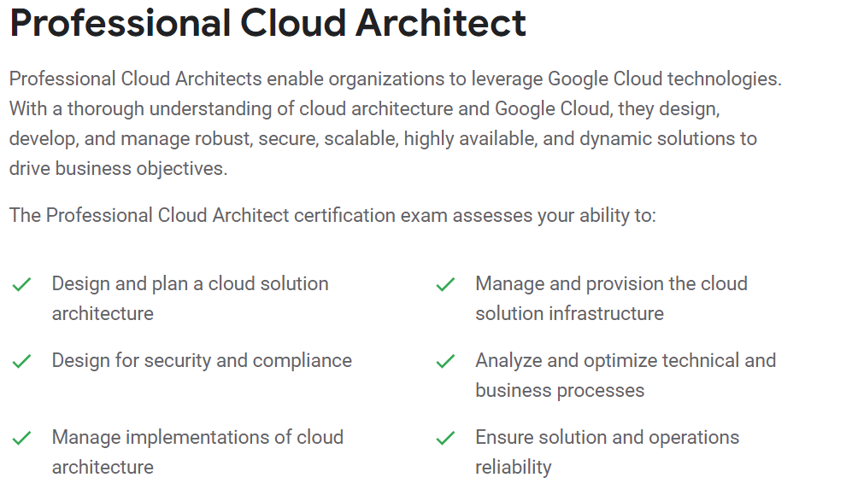
https://cloud.google.com/certification#why-get-google-cloud-certified

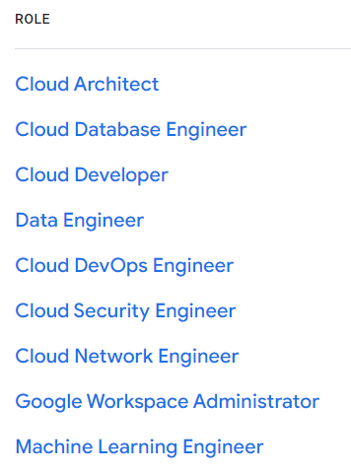

https://cloud.google.com/certification/cloud-database-engineer

https://cloud.google.com/certification/cloud-architect
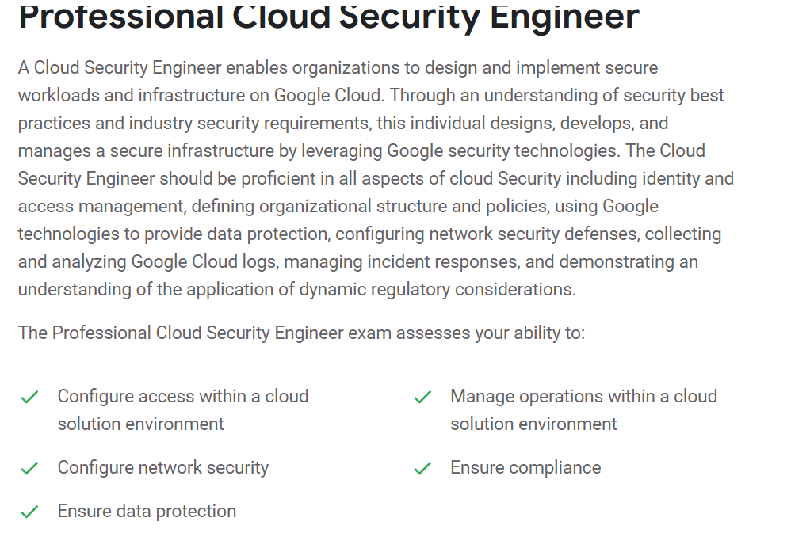
https://cloud.google.com/certification/cloud-security-engineer

